Examples
There are multiple examples on this tab. Please scroll across to view the examples.
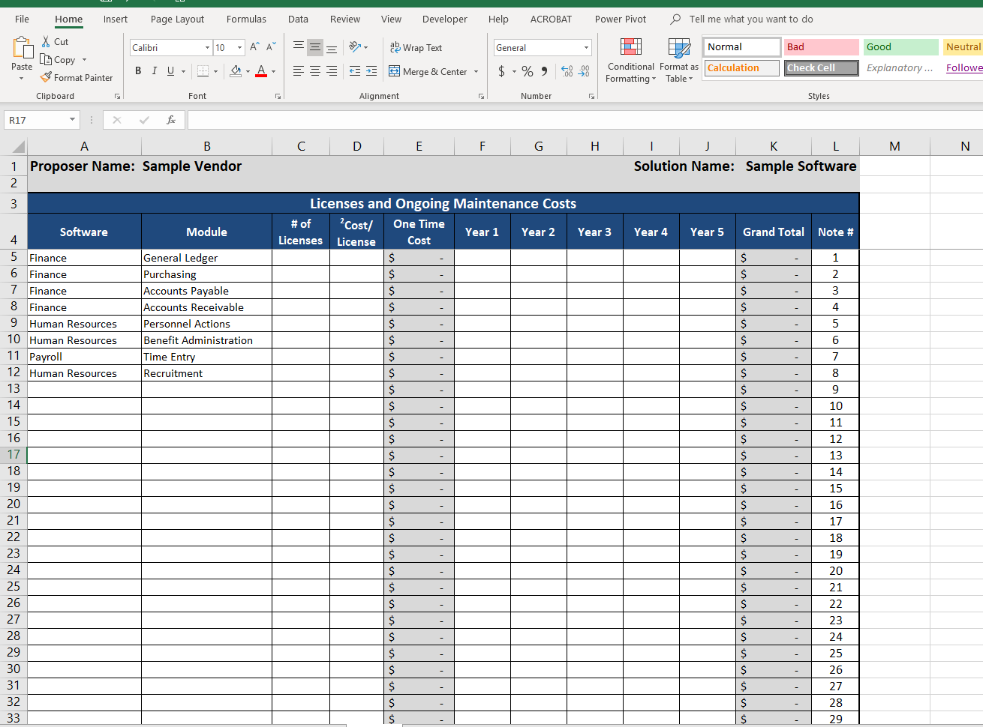

This list can be modified to be specific to the vendors services names. However, RCTC expects to see at a minimum pricing these items listed or the vendor's equivalent.

On the "Services" tab, RCTC expects to see the service, software and module identified. This example also applies to the "Optional Services" tab. Travel should not be included on this tab. The sum from the "Conversion Detail" tab should match the total "Conversion" service on this tab.

On the "Conversion" tab, RCTC expects to see the software and module associated with Conversion services stated on the Services Tabs. RCTCexpects to see the hours and rate for each conversion item . The sum of this table should match the Conversion cost on the Services tab.
On the "Licenses" tab, RCTC expects to see the software and modules associated identified.

This list can be modified to be specific to the vendors software names.

This list is for vendors to provide more specific names/information about the modueles proposed.

Licenses
Proposer Name: Sample Vendor |  |  |  |  |  |  |  |  |  |  | Solution Name: Sample Software

Licenses and Ongoing Maintenance Costs
Software | Module | # of Licenses | 2Cost/ License | One Time Cost | Year 1 | Year 2 | Year 3 | Year 4 | Year 5 | Grand Total | Note #
 |  |  |  | $- |  |  |  |  |  | $- | 1
 |  |  |  | $- |  |  |  |  |  | $- | 2
 |  |  |  | $- |  |  |  |  |  | $- | 3
 |  |  |  | $- |  |  |  |  |  | $- | 4
 |  |  |  | $- |  |  |  |  |  | $- | 5
 |  |  |  | $- |  |  |  |  |  | $- | 6
 |  |  |  | $- |  |  |  |  |  | $- | 7
 |  |  |  | $- |  |  |  |  |  | $- | 8
 |  |  |  | $- |  |  |  |  |  | $- | 9
 |  |  |  | $- |  |  |  |  |  | $- | 10
 |  |  |  | $- |  |  |  |  |  | $- | 11
 |  |  |  | $- |  |  |  |  |  | $- | 12
 |  |  |  | $- |  |  |  |  |  | $- | 13
 |  |  |  | $- |  |  |  |  |  | $- | 14
 |  |  |  | $- |  |  |  |  |  | $- | 15
 |  |  |  | $- |  |  |  |  |  | $- | 16
 |  |  |  | $- |  |  |  |  |  | $- | 17
 |  |  |  | $- |  |  |  |  |  | $- | 18
 |  |  |  | $- |  |  |  |  |  | $- | 19
 |  |  |  | $- |  |  |  |  |  | $- | 20
 |  |  |  | $- |  |  |  |  |  | $- | 21
 |  |  |  | $- |  |  |  |  |  | $- | 22
 |  |  |  | $- |  |  |  |  |  | $- | 23
 |  |  |  | $- |  |  |  |  |  | $- | 24
 |  |  |  | $- |  |  |  |  |  | $- | 25
 |  |  |  | $- |  |  |  |  |  | $- | 26
 |  |  |  | $- |  |  |  |  |  | $- | 27
 |  |  |  | $- |  |  |  |  |  | $- | 28
 |  |  |  | $- |  |  |  |  |  | $- | 29
 |  |  |  | $- |  |  |  |  |  | $- | 30
 |  |  |  | $- |  |  |  |  |  | $- | 31
 |  |  |  | $- |  |  |  |  |  | $- | 32
 |  |  |  | $- |  |  |  |  |  | $- | 33
 |  |  |  | $- |  |  |  |  |  | $- | 34
 |  |  |  | $- |  |  |  |  |  | $- | 35
 |  |  |  | $- |  |  |  |  |  | $- | 36
 |  |  |  | $- |  |  |  |  |  | $- | 37
 |  |  |  | $- |  |  |  |  |  | $- | 38
 |  |  |  | $- |  |  |  |  |  | $- | 39
 |  |  |  | $- |  |  |  |  |  | $- | 40
Total Licenses and Ongoing Maintenance Costs |  |  |  | $- | $- | $- | $- | $- | $- | $-
 |  |  | Check to Summary Tab -> | OK | OK | OK | OK | OK | OK | OK
Group by Software
1 - Enter name of Module for software listed or description. If 'Other' entered for software, enter name of product or describe product in the notes
2 - If Unlimited Licenses, enter "Unlim" in "# of Licenses" and enter total cost in "Cost/License"
3 - Notes and Assumptions (use Note # to correspond to table above)
<Enter notes and assumptions>

SaaS-Hosting
Proposer Name: Sample Vendor |  |  |  |  |  |  |  | Solution Name: Sample Software

Hosting Costs
Software | Module | Year 1 | Year 2 | Year 3 | Year 4 | Year 5 | Grand Total | Note #
 |  |  |  |  |  |  | $- | 1
 |  |  |  |  |  |  | $- | 2
 |  |  |  |  |  |  | $- | 3
 |  |  |  |  |  |  | $- | 4
 |  |  |  |  |  |  | $- | 5
 |  |  |  |  |  |  | $- | 6
 |  |  |  |  |  |  | $- | 7
 |  |  |  |  |  |  | $- | 8
 |  |  |  |  |  |  | $- | 9
 |  |  |  |  |  |  | $- | 10
 |  |  |  |  |  |  | $- | 11
 |  |  |  |  |  |  | $- | 12
 |  |  |  |  |  |  | $- | 13
 |  |  |  |  |  |  | $- | 14
 |  |  |  |  |  |  | $- | 15
 |  |  |  |  |  |  | $- | 16
 |  |  |  |  |  |  | $- | 17
 |  |  |  |  |  |  | $- | 18
 |  |  |  |  |  |  | $- | 19
 |  |  |  |  |  |  | $- | 20
 |  |  |  |  |  |  | $- | 21
 |  |  |  |  |  |  | $- | 22
 |  |  |  |  |  |  | $- | 23
 |  |  |  |  |  |  | $- | 24
 |  |  |  |  |  |  | $- | 25
 |  |  |  |  |  |  | $- | 26
 |  |  |  |  |  |  | $- | 27
 |  |  |  |  |  |  | $- | 28
 |  |  |  |  |  |  | $- | 29
 |  |  |  |  |  |  | $- | 30
 |  |  |  |  |  |  | $- | 31
 |  |  |  |  |  |  | $- | 32
 |  |  |  |  |  |  | $- | 33
 |  |  |  |  |  |  | $- | 34
 |  |  |  |  |  |  | $- | 35
 |  |  |  |  |  |  | $- | 36
 |  |  |  |  |  |  | $- | 37
 |  |  |  |  |  |  | $- | 38
 |  |  |  |  |  |  | $- | 39
 |  |  |  |  |  |  | $- | 40
Total Hosting Costs |  | $- | $- | $- | $- | $- | $-
 |  | OK | OK | OK | OK | OK | OK
Group by Vendor and Software
1 - Enter name of Module for software listed or description. If 'Other' entered for software, enter name of product or describe product in the notes
2 - Notes and Assumptions (use Note # to correspond to table above)
<Enter notes and assumptions>

Services
Proposer Name: Sample Vendor |  |  |  |  |  | Solution Name: Sample Software

Services Costs
Service | Software | Module | # of Hours | 1Rate/ Hour | One Time Cost | Note #
 |  |  |  |  | $- | 1
 |  |  |  |  | $- | 2
 |  |  |  |  | $- | 3
 |  |  |  |  | $- | 4
 |  |  |  |  | $- | 5
 |  |  |  |  | $- | 6
 |  |  |  |  | $- | 7
 |  |  |  |  | $- | 8
 |  |  |  |  | $- | 9
 |  |  |  |  | $- | 10
 |  |  |  |  | $- | 11
 |  |  |  |  | $- | 12
 |  |  |  |  | $- | 13
 |  |  |  |  | $- | 14
 |  |  |  |  | $- | 15
 |  |  |  |  | $- | 16
 |  |  |  |  | $- | 17
 |  |  |  |  | $- | 18
 |  |  |  |  | $- | 19
 |  |  |  |  | $- | 20
 |  |  |  |  | $- | 21
 |  |  |  |  | $- | 22
 |  |  |  |  | $- | 23
 |  |  |  |  | $- | 24
 |  |  |  |  | $- | 25
 |  |  |  |  | $- | 26
 |  |  |  |  | $- | 27
 |  |  |  |  | $- | 28
 |  |  |  |  | $- | 29
 |  |  |  |  | $- | 30
 |  |  |  |  | $- | 31
 |  |  |  |  | $- | 32
 |  |  |  |  | $- | 33
 |  |  |  |  | $- | 34
 |  |  |  |  | $- | 35
 |  |  |  |  | $- | 36
 |  |  |  |  | $- | 37
 |  |  |  |  | $- | 38
 |  |  |  |  | $- | 39
 |  |  |  |  | $- | 40
Total Services Costs |  |  | - |  | $-
 |  |  |  | Check to Summary Tab -> | OK
Group by Service
1 - Enter name of Software and Module for services listed. If 'Other' entered for service, enter name of product or describe product in the notes
2 - If Flat Rate for service, enter "Flat" in "# of Hours" and enter total cost in "Rate/Hour"
3 - Notes and Assumptions (use Note # to correspond to table above)
<Enter notes and assumptions>

Conversion Detail
Proposer Name: Sample Vendor |  |  |  |  |  | Solution Name: Sample Software

Conversion Costs
Service | Software | Module | # of Hours | 1Rate/ Hour | Cost | Note #
 |  |  |  |  | $- | 1
 |  |  |  |  | $- | 2
 |  |  |  |  | $- | 3
 |  |  |  |  | $- | 4
 |  |  |  |  | $- | 5
 |  |  |  |  | $- | 6
 |  |  |  |  | $- | 7
 |  |  |  |  | $- | 8
 |  |  |  |  | $- | 9
 |  |  |  |  | $- | 10
 |  |  |  |  | $- | 11
 |  |  |  |  | $- | 12
 |  |  |  |  | $- | 13
 |  |  |  |  | $- | 14
 |  |  |  |  | $- | 15
 |  |  |  |  | $- | 16
 |  |  |  |  | $- | 17
 |  |  |  |  | $- | 18
 |  |  |  |  | $- | 19
 |  |  |  |  | $- | 20
 |  |  |  |  | $- | 21
 |  |  |  |  | $- | 22
 |  |  |  |  | $- | 23
 |  |  |  |  | $- | 24
 |  |  |  |  | $- | 25
 |  |  |  |  | $- | 26
 |  |  |  |  | $- | 27
 |  |  |  |  | $- | 28
 |  |  |  |  | $- | 29
 |  |  |  |  | $- | 30
 |  |  |  |  | $- | 31
 |  |  |  |  | $- | 32
 |  |  |  |  | $- | 33
 |  |  |  |  | $- | 34
 |  |  |  |  | $- | 35
 |  |  |  |  | $- | 36
 |  |  |  |  | $- | 37
 |  |  |  |  | $- | 38
 |  |  |  |  | $- | 39
 |  |  |  |  | $- | 40
Subtotal Conversion - Detail |  |  |  |  | $-

Group by Service and Software
1 - If Flat Rate for service, enter "Flat" in "# of Hours" and enter total cost in "Rate/Hour"
2 - Enter name of Module for software listed or description. If 'Other' entered for software, enter name of product or describe product in the notes
3 - Notes and Assumptions (use Note # to correspond to table above)
<Enter notes and assumptions>

Travel
Sample Vendor |  |  |  | Sample Software

Travel Costs
Trip Description | # of Trips | Cost Per Trip | Total | Note #
 |  |  | $- | 1
 |  |  | $- | 2
 |  |  | $- | 3
 |  |  | $- | 4
 |  |  | $- | 5
 |  |  | $- | 6
 |  |  | $- | 7
 |  |  | $- | 8
 |  |  | $- | 9
 |  |  | $- | 10
 |  |  | $- | 11
 |  |  | $- | 12
 |  |  | $- | 13
 |  |  | $- | 14
 |  |  | $- | 15
 |  |  | $- | 16
 |  |  | $- | 17
 |  |  | $- | 18
 |  |  | $- | 19
 |  |  | $- | 20
Total Travel Costs | - | $- | $-
 |  | Check to Summary Tab -> | OK
1- Notes and Assumptions (use Note # to correspond to table above)
<Enter notes and assumptions>

Optional Services
Proposer Name: Sample Vendor |  |  |  |  |  | Solution Name: Sample Software

Optional Services Costs
Service | Software | Module | # of Hours | 1Rate/Hour | One Time Cost | Note #
 |  |  |  |  | $- | 1
 |  |  |  |  | $- | 2
 |  |  |  |  | $- | 3
 |  |  |  |  | $- | 4
 |  |  |  |  | $- | 5
 |  |  |  |  | $- | 6
 |  |  |  |  | $- | 7
 |  |  |  |  | $- | 8
 |  |  |  |  | $- | 9
 |  |  |  |  | $- | 10
 |  |  |  |  | $- | 11
 |  |  |  |  | $- | 12
 |  |  |  |  | $- | 13
 |  |  |  |  | $- | 14
 |  |  |  |  | $- | 15
 |  |  |  |  | $- | 16
 |  |  |  |  | $- | 17
 |  |  |  |  | $- | 18
 |  |  |  |  | $- | 19
 |  |  |  |  | $- | 20
Total Optional Services Costs |  |  | - |  | $-
 |  |  |  | Check to Summary Tab -> | OK
Group by Service
1 - If Flat Rate for service, enter "Flat" in "# of Hours" and enter total cost in "Rate/Hour"
2 - Notes and Assumptions (use Note # to correspond to table above)

<Enter notes and assumptions>

Optional Products
Proposer Name: Sample Vendor |  |  |  |  |  |  |  |  |  |  | Solution Name: Sample Software

Optional Products
Software | Module | # of Licenses | 2Cost/ License | One Time Cost | Year 1 | Year 2 | Year 3 | Year 4 | Year 5 | Grand Total | Note #
 |  |  |  | $- |  |  |  |  |  | $- | 1
 |  |  |  | $- |  |  |  |  |  | $- | 2
 |  |  |  | $- |  |  |  |  |  | $- | 3
 |  |  |  | $- |  |  |  |  |  | $- | 4
 |  |  |  | $- |  |  |  |  |  | $- | 5
 |  |  |  | $- |  |  |  |  |  | $- | 6
 |  |  |  | $- |  |  |  |  |  | $- | 7
 |  |  |  | $- |  |  |  |  |  | $- | 8
 |  |  |  | $- |  |  |  |  |  | $- | 9
 |  |  |  | $- |  |  |  |  |  | $- | 10
 |  |  |  | $- |  |  |  |  |  | $- | 11
 |  |  |  | $- |  |  |  |  |  | $- | 12
 |  |  |  | $- |  |  |  |  |  | $- | 13
 |  |  |  | $- |  |  |  |  |  | $- | 14
 |  |  |  | $- |  |  |  |  |  | $- | 15
 |  |  |  | $- |  |  |  |  |  | $- | 16
 |  |  |  | $- |  |  |  |  |  | $- | 17
 |  |  |  | $- |  |  |  |  |  | $- | 18
 |  |  |  | $- |  |  |  |  |  | $- | 19
 |  |  |  | $- |  |  |  |  |  | $- | 20
Total Optional Products |  |  |  | $- | $- | $- | $- | $- | $- | $-
 |  |  |  |  |  |  |  |  | Check to Summary Tab -> | OK
Group by Software
1 - Enter name of Module for software listed or description. If 'Other' entered for software, enter name of product or describe product in the notes
2 - If Unlimited Licenses, enter "Unlim" in "# of Licenses" and enter total cost in "Cost/License"
3 - Notes and Assumptions (use Note # to correspond to table above)
<Enter notes and assumptions>

Professional Services
Sample Vendor |  | Sample Software

Professional Services Rates
Resource Category | Hourly Rate | Note #
 |  | 1
 |  | 2
 |  | 3
 |  | 4
 |  | 5
 |  | 6
 |  | 7
 |  | 8
 |  | 9
 |  | 10
 |  | 11
 |  | 12
 |  | 13
 |  | 14
 |  | 15
 |  | 16
 |  | 17
 |  | 18
 |  | 19
 |  | 20

1 - Notes and Assumptions (use Note # to correspond to table above)
<Enter notes and assumptions>

